Sheet1
New measure column
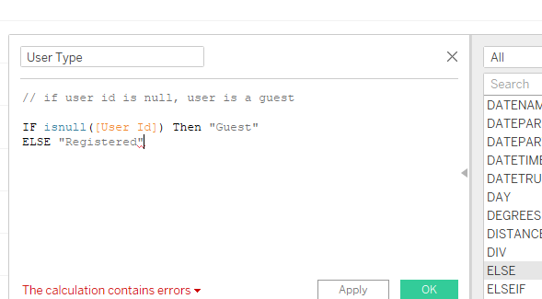

CONTAINS([Genre], [p.Genre])

